Hoja1
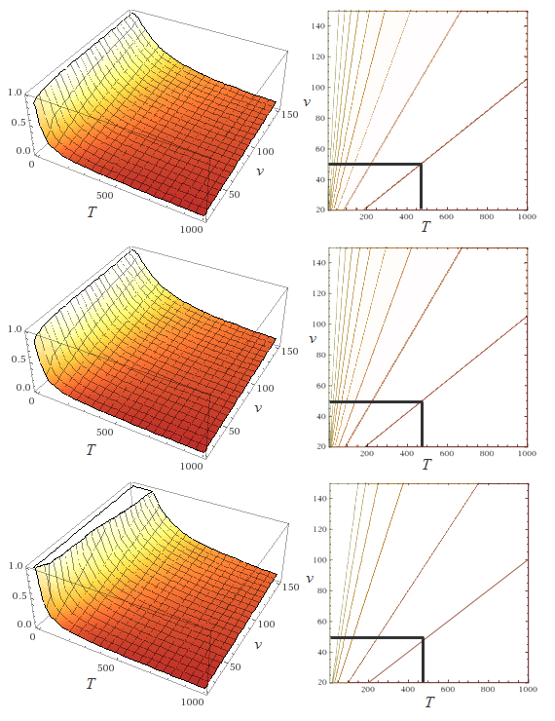
v | [years] | 50
P | [-] | 10%
T | [years] | 475 |  | T=1/(1-(1-p)^(1/v)
T* | [years] | 474.56107905 |  | T*=-v/LN(1-P)
T** | [years] | 500 |  | T**=v/P

v | [years] | 50
T | [years] | 475
P | [-] | 10% |  | P=1-(1-1/T)^v
P* | [-] | 10% |  | P*=1-EXP(-v/T)
P** | [-] | 11% |  | P**=v/T |  |  |  |  |  |  |  |  |  |  |  |  |  |  |  |  | P=1-(1-1/T)^v

T | [years] | 475
P | [-] | 10%
v | [years] | 49.993546176 |  | v=LOG(1-P;1-1/T)
v* | [years] | 50.046244937 |  | v*=-T*LN(1-P)
v** | [years] | 48 |  | v**=P*T

v | [years] | 10 |  |  | v | [years] | 25 |  | v | [years] | 50 |  | v | [years] | 100 |  | v | [years] | 475
T | P | P* | P** |  | T | P | P* | P** | T | P | P* | P** | T | P | P* | P** | T | P | P* | P**
[years] | [-]
1 | 100% | 100% | 1000% |  | 1 | 100% | 100% | 2500% | 1 | 100% | 100% | 5000% | 1 | 100% | 100% | 10000% | 1 | 100% | 100% | 47500%
5 | 89% | 86% | 200% |  | 5 | 100% | 99% | 500% | 5 | 100% | 100% | 1000% | 5 | 100% | 100% | 2000% | 5 | 100% | 100% | 9500% | P*=1-EXP(-v/T)
10 | 65% | 63% | 100% |  | 10 | 93% | 92% | 250% | 10 | 99% | 99% | 500% | 10 | 100% | 100% | 1000% | 10 | 100% | 100% | 4750%
50 | 18% | 18% | 20% |  | 50 | 40% | 39% | 50% | 50 | 64% | 63% | 100% | 50 | 87% | 86% | 200% | 50 | 100% | 100% | 950%
95 | 10% | 10% | 11% |  | 95 | 23% | 23% | 26% | 95 | 41% | 41% | 53% | 95 | 65% | 65% | 105% | 95 | 99% | 99% | 500%
200 | 5% | 5% | 5% |  | 200 | 12% | 12% | 13% | 200 | 22% | 22% | 25% | 200 | 39% | 39% | 50% | 200 | 91% | 91% | 238%
300 | 3% | 3% | 3% |  | 300 | 8% | 8% | 8% | 300 | 15% | 15% | 17% | 300 | 28% | 28% | 33% | 300 | 80% | 79% | 158%
400 | 2% | 2% | 3% |  | 400 | 6% | 6% | 6% | 400 | 12% | 12% | 13% | 400 | 22% | 22% | 25% | 400 | 70% | 70% | 119%
475 | 2% | 2% | 2% |  | 475 | 5% | 5% | 5% | 475 | 10% | 10% | 11% | 475 | 19% | 19% | 21% | 475 | 63% | 63% | 100%
950 | 1% | 1% | 1% |  | 950 | 3% | 3% | 3% | 950 | 5% | 5% | 5% | 950 | 10% | 10% | 11% | 950 | 39% | 39% | 50%
100000 | 0% | 0% | 0% |  | 100000 | 0% | 0% | 0% | 100000 | 0% | 0% | 0% | 100000 | 0% | 0% | 0% | 100000 | 0% | 0% | 0%

 |  |  |  |  |  |  |  |  |  |  |  |  |  |  |  |  |  |  |  |  | P**=v/T

